Cost of Debt
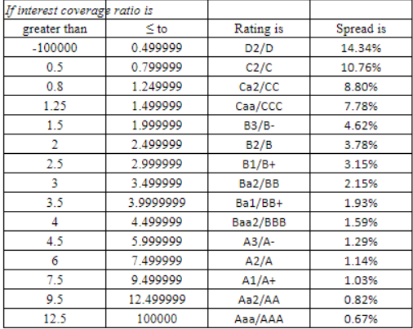
COMPANY | EBIT | INTEREST EXPENSE | INT COV RATIO | SPREAD | Risk Free Rate | COST OF DEBT | TAX | AFTER TAX COST OF DEBT
TATA MOTORS | 369.2 | 24,872.60 | 0.01484364321 | 14.34% | 6.48% | 20.82% | 60.15% | 8.30%
MAHINDRA | 111753.5 | 13,817 | 8.088116089 | 1.03% | 6.48% | 7.51% | 20.85% | 5.94%
MARUTI | 29172 | 275 | 106.08 | 0.67% | 6.48% | 7.15% | 23.08% | 5.50%

